Intro
Enhanced assessment of knowledge, attitudes and practices; and, intervention (KAP+) on antimicrobial resistance and antimicrobial use among vendors beta version 2.0
 |  |  |  |  |  | DATABASE ARCHITECTURE
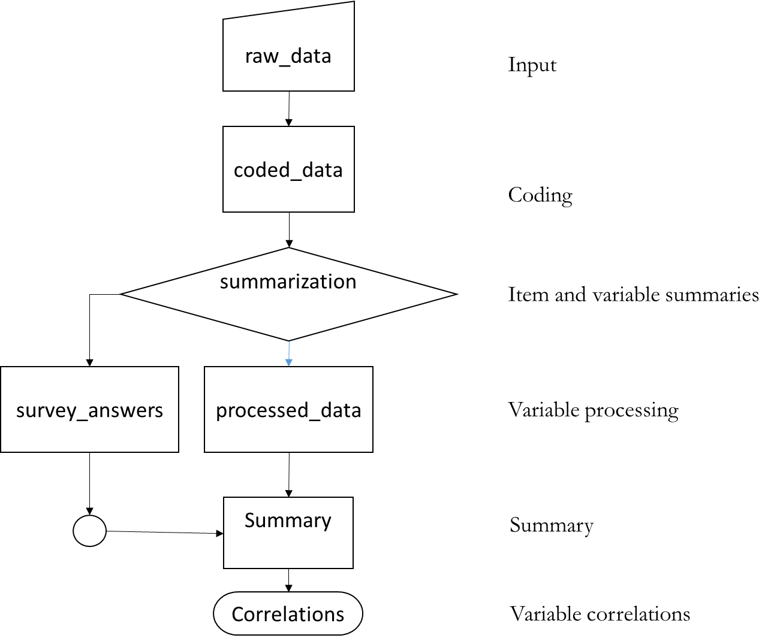

SURVEY INFORMATION |  |  |  | RESULTS
Country | (enter text here) |  |  | click on the hyperlinks below for easy access
Region | (enter text here) |  |  | Data Sheets | Summary
Sample Size | (n = 10) | of target | (enter target sample size) | Raw Data | Survey Answers
Location | (enter text here) |  |  | raw_data!A1 | survey_answers!A1
Date/s of Visit | (enter text here) |  |  | Coded Data | Summary Statistics
RELATED DOCUMENTS |  |  |  | coded_data!A1 | summary!A1
Codebook |  |  | to make | Processed Data | Correlations
Survey Sheet |  |  | to make | processed_data!A1 | correlation!A1
GitHub | https://github.com/JNAVillacastin/AMU-AMR-KAP-Excel-Tool-

